Sheet1
 |  | Document No. | Issue No. | Issue Date |  | Review and Replace Date |  | Authorised By
 |  | GFF461MC | 1 | 21.08.2024 |  | New Issue
 |  | Document Title | GC- Apetito-Onion Bhaji (30g) - 2000G- High Risk
 |  |  |  |  |  |  |  | Magda Shah
Document amendments reason for change |  | New document created | Page 1 of 1 |  | Previous Issue Date |  | New Issue | Uncontrolled copy unless signed original

PACK DAY + 1 YEAR
NON-MAP PACK
FOBH1C-B4KGB | GC- Apetito |  | GC- Apetito - Onion Bhaji (30g)-2000G
STEP 1 |  |  |  |  | STEP 2
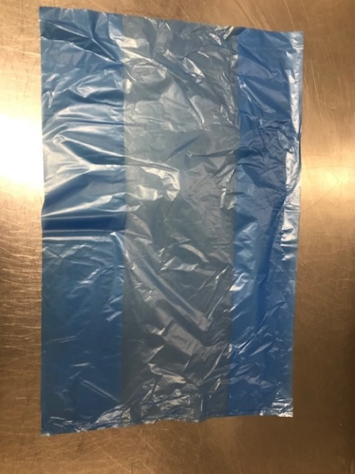 |  |  |  |  | 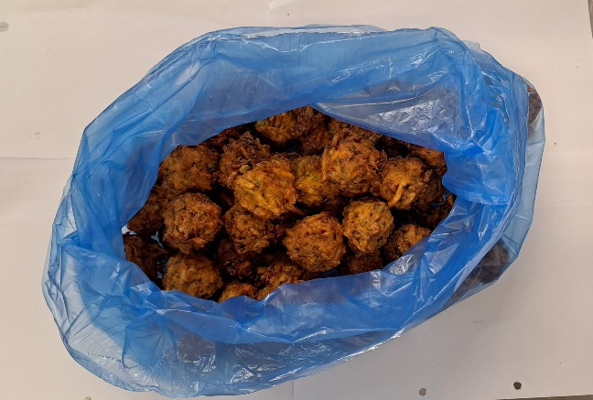

Bag : Blue Bag (PKPMC001-02) |  |  |  |  | Onion Bhaji (30g)-GFF009-4R : 2000g

STEP 3
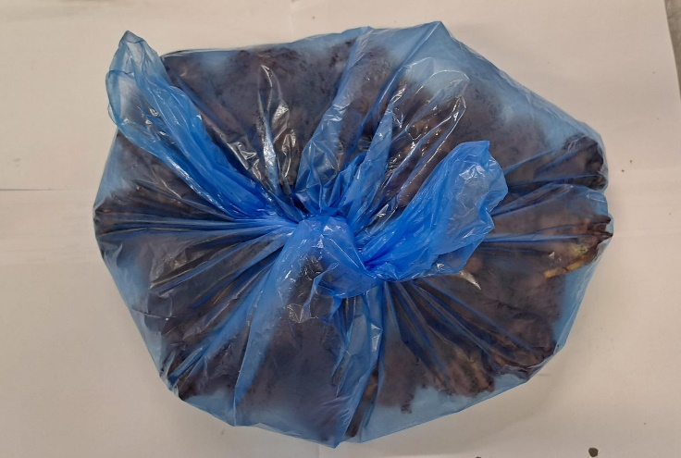

TOTAL WEIGHT: 2000g

ALLERGY ALERT: Wheat

